SEGEN ROI
Segen Quick-Change ROI Calc

Input Data
Calculations

Required model of female Segen cylinder lock | PD438CFV
Required Model of male locator knobs | PD438CB
Oveall investment in female cylinder locks | $4,576
Overall investment in male locator knobs | $1,728
Total Investment | $6,304

Changeover with Segen Quick-Change Locks |  |  | Changeover with Traditional Nuts & Bolts
Number of Mold or Tool Changes per Week | 18 |  | Number of Mold or Tool Changes per Week | 18
Changeover Time with Segen Locks (Minutes) | 15 |  | Changeover Time with Nuts & Bolts (Minutes) | 120
Mold or Tool Change Hourly Labor Rate | $60 |  | Mold or Tool Change Hourly Labor Rate | $60
Production Machine Machine Hourly Rate | $50 |  | Production Machine Hourly Rate | $50
Total Weekly Changeover Time (Minutes) | 270 |  | Total Weekly Changeover Time (Minutes) | 2160
Total Changeover Labor Rate | $270 |  | Total Changeover Labor Rate | $2,160
Total Dollars Lost of Production Time (In Rate) | $225 |  | Total Dollars Lost of Production Time (In Rate) | $1,800
Total Lost Labor & Machine Cost Per Week | $495 |  | Total Lost Labor & Machine Cost Per Week | $3,960

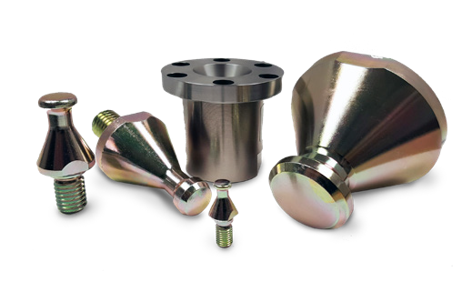
Total Product Cost | $6,304

Total savings with Segen Quick-Change | $3,465
(1 Week Time Frame)

Total savings with Segen Quick-Change | $180,180
(1 Year Time Frame)

Total Gained Production Hours | 1638
(1 Year Time Frame)

Payback With Additional Yearly Savings | $173,876
(Above System Paid For With Additional Savings)

 |  | www.ToolingTechGroup.com

